Sheet1
Activity | Strength | Cardio | Outdoors | Portable | Lifestyle | Accessibility | Perceived Difficulty | Cost | Flexibility | Market to Women | Luxury | Traditional Movements | Column1
TRX | 2 | 0 | 0 | 2 | 0 | 2 | 0 | 2 | 1 | 0 | 2 | 0
Gymnsatics Rings | 2 | 0 | 2 | 2 | 2 | 0 | 2 | 0 | 1 | 0 | 0 | 0
Adomly | 2 | 0 | 2 | 2 | 2 | 2 | 2 | 2 | 1 | 2 | 2 | 0

Value Chart
 | Running | Traditional Weightlifiting | TRX | Gymnsatics Rings | Trainers | Bike Ride | Indoor Cardio Machine | Hiking | Sport | Dumbbell | Bouldering/Rock Climbing | Yoga
Strength |  |  | 2 | 2
Cardio |  |  | 0 | 0
Outdoors |  |  | 0 | 2
Portable |  |  | 2 | 2
Lifestyle |  |  | 0 | 2
Accessibility |  |  | 2 | 0
Perceived Difficulty |  |  | 0 | 2
Cost |  |  | 2 | 0
Flexibility |  |  | 1 | 1
Market to Women |  |  | 0 | 0
Luxury |  |  | 2 | 0
Traditional Movements |  |  | 0 | 0
Column1

Level 3 Non Customers
Physical Therapy Device
- Older people looking for functional fitness and reducing injury

Level 2 Non Customers. People who have seen rings and said "No, that's not for me". Resitance Band People, Pilates, Yoga, Weight Trainers
Much larger market to go after and less competition

Eliminate
- Percieved Difficulty
Reduce
-Association with upper body
- Association with men

Level 1 Customers
-Gymnastics Ring Users
-TRX users
*Inherently Disloyal bc to switch to our product means they are left someone else

Raise
- Marketability towards women
- Cost
- Marketability towards Physical Therapy
Create
- Resitance Band Movements
- Adventurous Colors
- Association with Yoga/Stretching

Succesful Products

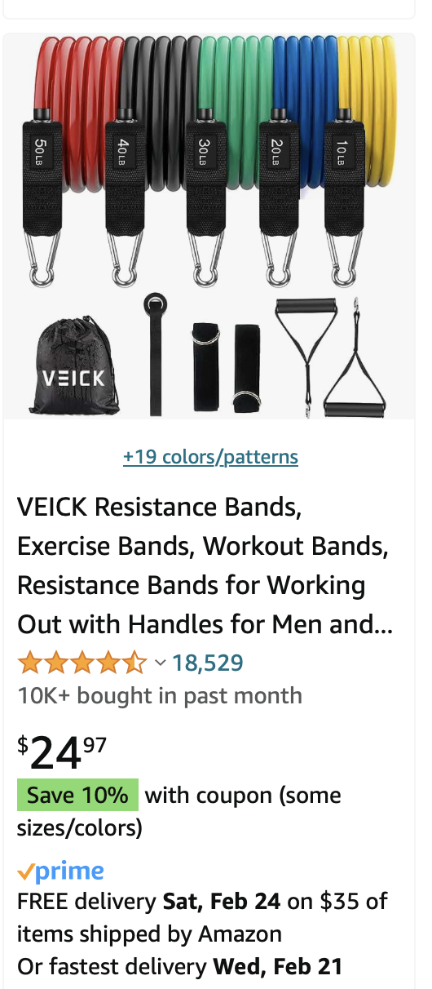
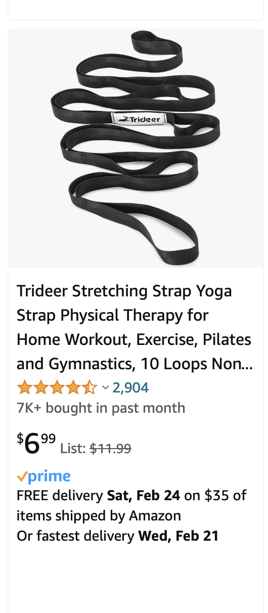
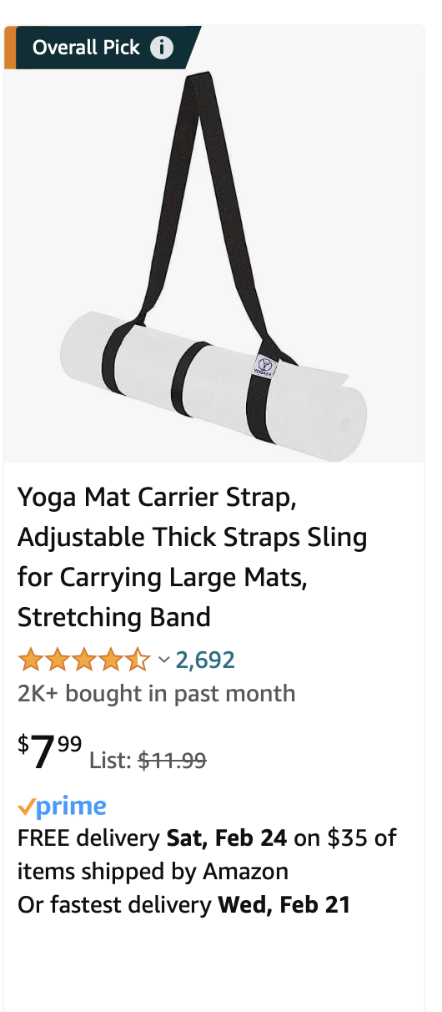

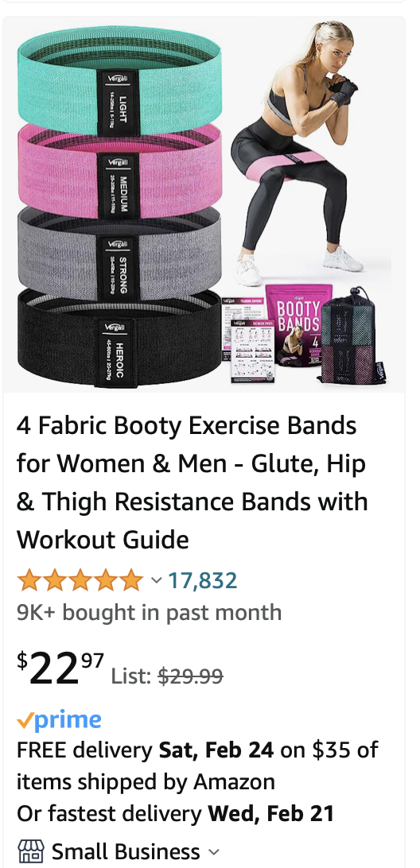
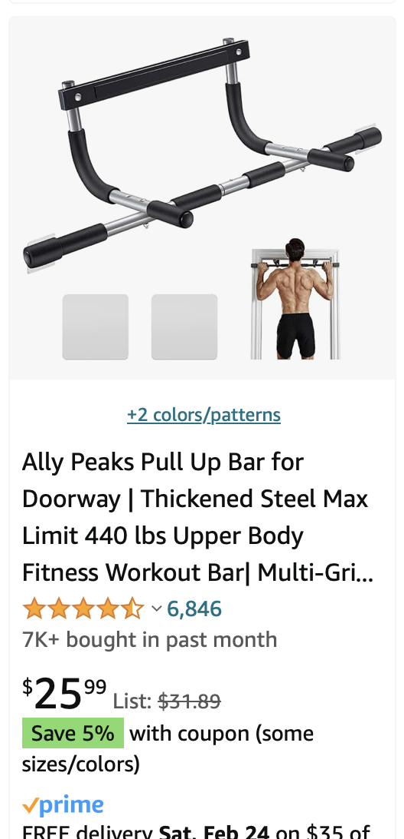
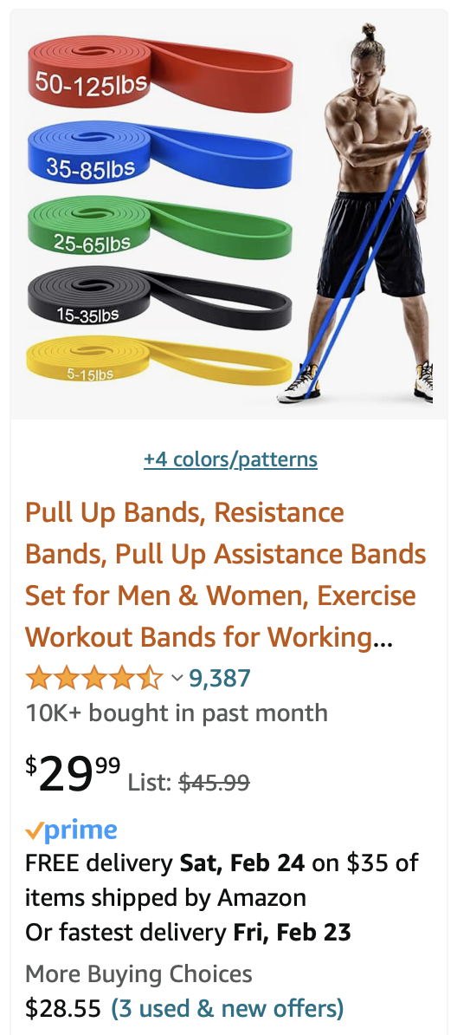
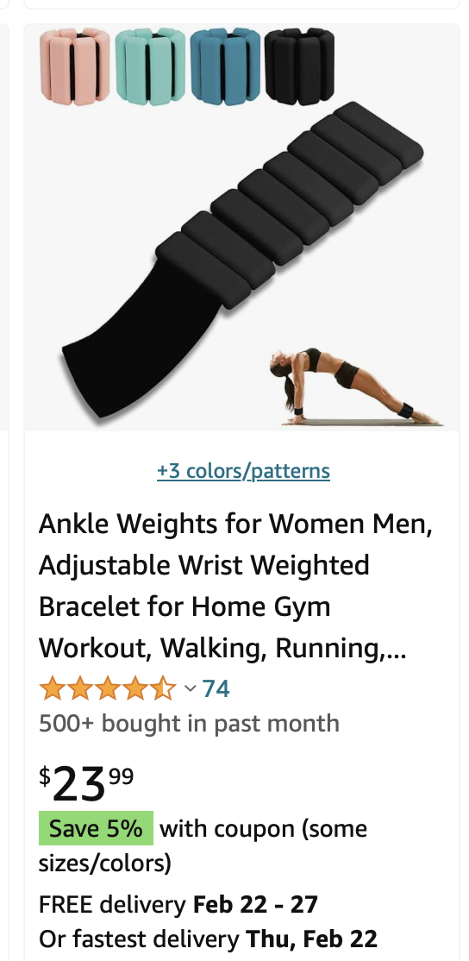

Flops
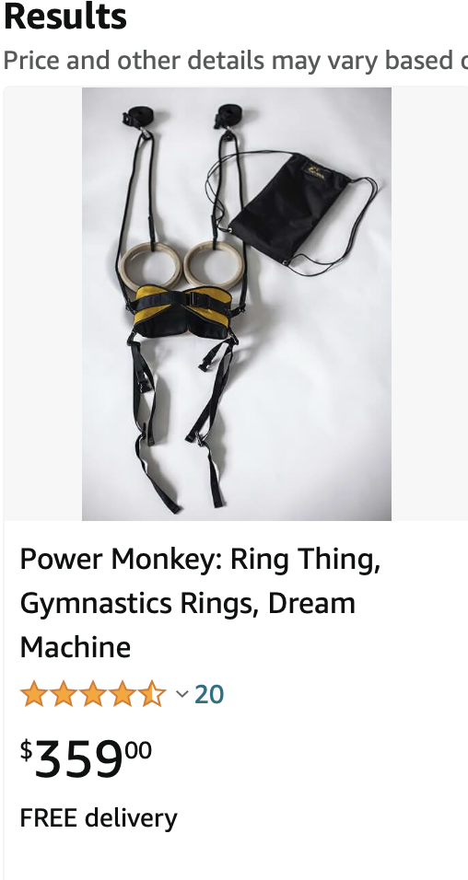
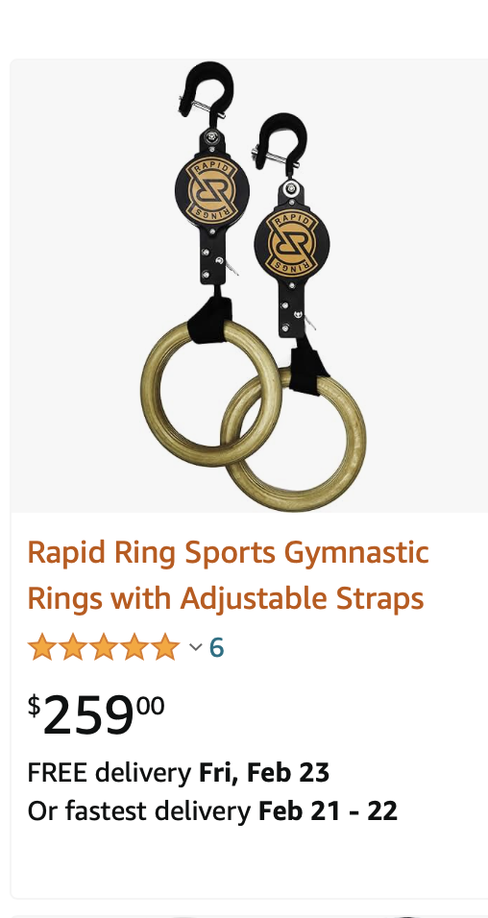
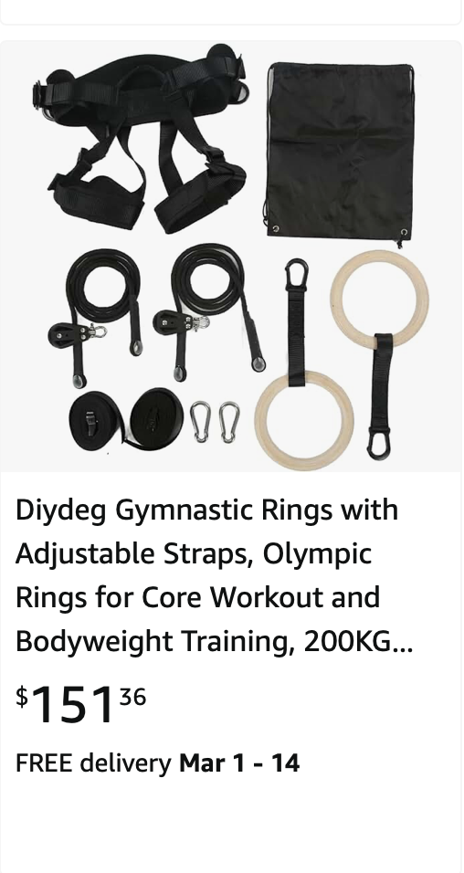

 |  |  |  |  |  |  |  | Fixed Point Attachment
 |  |  |  |  |  |  |  | Pros
 |  |  |  |  |  |  |  | 1. Easy Carabiner Attachment
 |  |  |  |  |  |  |  | 2. No Slipping/sliding

 |  |  |  |  |  |  |  | https://www.bespokepost.com/store/modl-large-infinity-tool-set-of-2
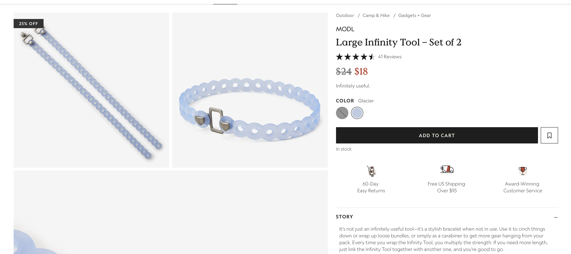

 |  |  |  |  |  |  |  | Potenital Elastic Band, Yoga Strap, and Pullup Strap In One

